Аркуш1
Промежуточная аттестация по теме «Базы данных»

1. Найти информацию о всех контрактах связанных с сотрудниками департамента «Logistic». Вывести: contract_id, employee_name

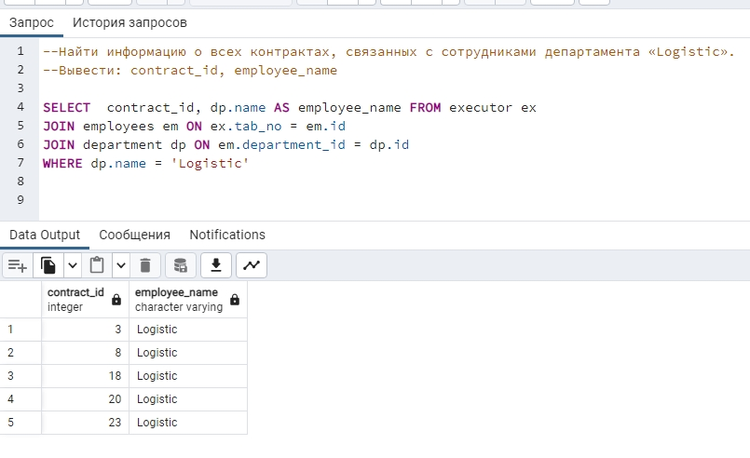
 | SELECT contract_id, dp.name AS employee_name FROM executor ex
 | JOIN employees em ON ex.tab_no = em.id
 | JOIN department dp ON em.department_id = dp.id
 | WHERE dp.name = 'Logistic'

 |  | Где:

 | employee_name - департамент «Logistic»
 | contract_id - номера контрактов

2. Найти среднюю стоимость контрактов, заключенных сотрудников Ivan Ivanov. Вывести: среднее значение amount
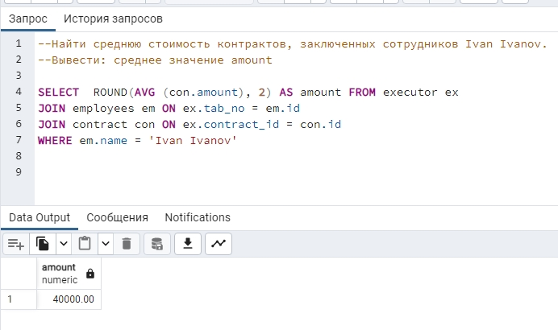
 | SELECT ROUND(AVG (con.amount), 2) AS amount FROM executor ex
 | JOIN employees em ON ex.tab_no = em.id
 | JOIN contract con ON ex.contract_id = con.id
 | WHERE em.name = 'Ivan Ivanov'

3. Найти самую часто встречающуюся локации среди всех заказчиков. Вывести: location, count

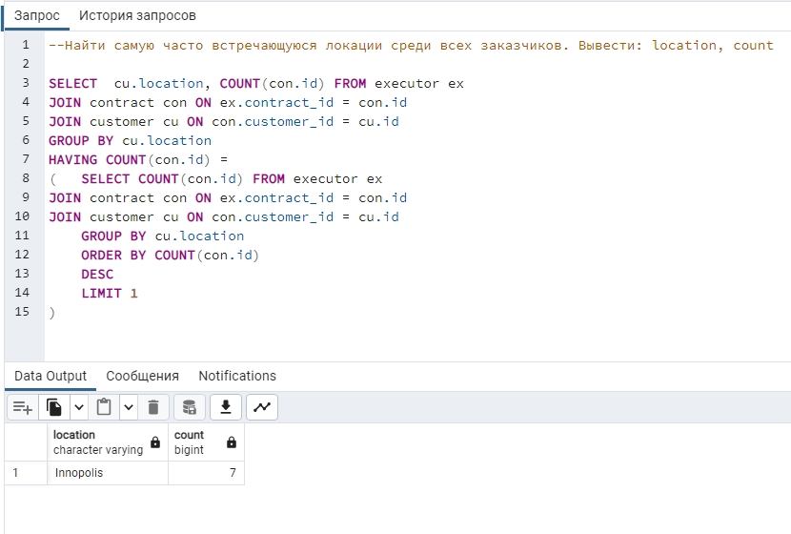
 | SELECT cu.location, COUNT(con.id) FROM executor ex
 | JOIN contract con ON ex.contract_id = con.id
 | JOIN customer cu ON con.customer_id = cu.id
 | GROUP BY cu.location
 | HAVING COUNT(con.id) =
 | ( | SELECT COUNT(con.id) FROM executor ex
 | JOIN contract con ON ex.contract_id = con.id
 | JOIN customer cu ON con.customer_id = cu.id
 |  | GROUP BY cu.location
 |  | ORDER BY COUNT(con.id)
 |  | DESC
 |  | LIMIT 1
 | )

4. Найти контракты одинаковой стоимости. Вывести count, amount

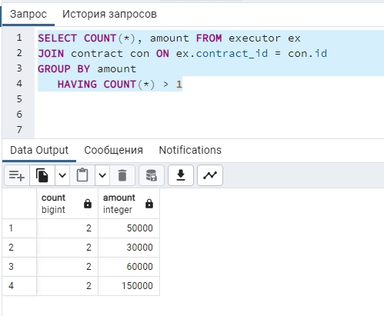
 | SELECT COUNT(*), amount FROM executor ex
 | JOIN contract con ON ex.contract_id = con.id
 | GROUP BY amount
 | HAVING COUNT(*) > 1

5. Найти заказчика с наименьшей средней стоимостью контрактов. Вывести customer_name, среднее значение amount

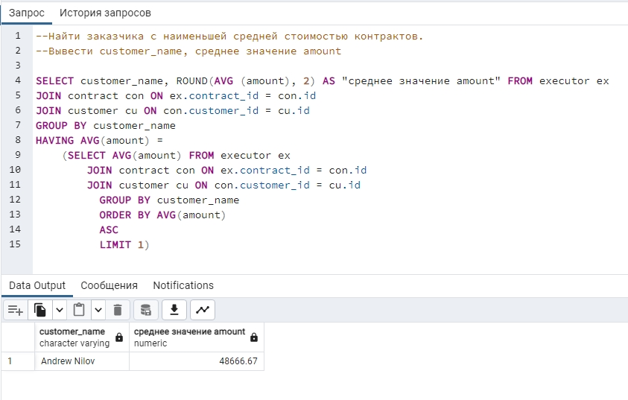
 | SELECT customer_name, ROUND(AVG (amount), 2) AS "среднее значение amount" FROM executor ex
 | JOIN contract con ON ex.contract_id = con.id
 | JOIN customer cu ON con.customer_id = cu.id
 | GROUP BY customer_name
 | HAVING AVG(amount) =
 |  | (SELECT AVG(amount) FROM executor ex
 | JOIN contract con ON ex.contract_id = con.id
 | JOIN customer cu ON con.customer_id = cu.id
 |  | GROUP BY customer_name
 |  | ORDER BY AVG(amount)
 |  | ASC
 |  | LIMIT 1)

6.Найти отдел, заключивший контрактов на наибольшую сумму. Вывести: department_name, sum

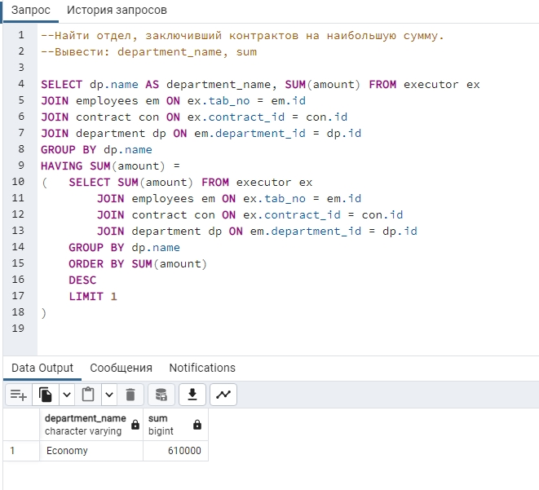
 | SELECT dp.name AS department_name, SUM(amount) FROM executor ex
 | JOIN employees em ON ex.tab_no = em.id
 | JOIN contract con ON ex.contract_id = con.id
 | JOIN department dp ON em.department_id = dp.id
 | GROUP BY dp.name
 | HAVING SUM(amount) =
 | ( | SELECT SUM(amount) FROM executor ex
 |  |  | JOIN employees em ON ex.tab_no = em.id
 | JOIN contract con ON ex.contract_id = con.id
 | JOIN department dp ON em.department_id = dp.id
 |  | GROUP BY dp.name
 |  | ORDER BY SUM(amount)
 |  | DESC
 |  | LIMIT 1
 | )

